Venture Capital Method
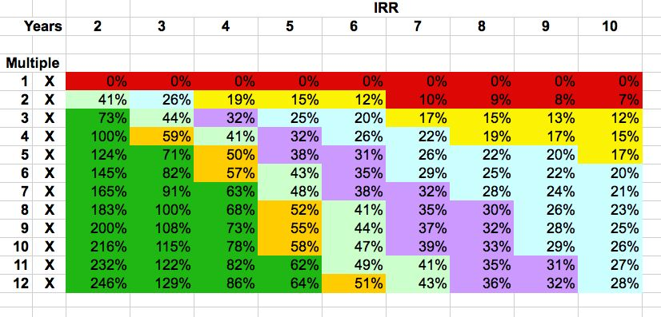
Venture Capital Method
Investment | $750,000
Years to Exit | 5 |  | Exit Multiples
Revenue | $10,000,000 |  | years to exit | multiple required
EBITDA | $- | Year | 1 | 1.6
Price/Revenue for similar companies | 3 | Year | 2 | 2.5
Terminal Value (what the company gets bought for) | $30,000,000 | Year | 3 | 4
Target IRR | 58% | Year | 4 | 6
Target Investment Multiple | 10 | Year | 5 | 10
Post Money Valuation (after investment) | $3,000,000 | Year | 6 | 16
Pre-Money Valuation (before investment) | $2,250,000 | Year | 7 | 25
 |  | Year | 8 | 40
 |  | Year | 9 | 60
Instructions: |  | Year | 10 | 95
This method works ONLY for investments where no further rounds
are anticipated.
It works by calculating the exit, and the desired return, and calculating
a present day valuation.

Steps:
Input the investment amount in cell C2
Calculate the exit year by reviewing your exit strategy canvas.
Calculate the exit revenue multiple from comparables research.
Look up the desired multiple in column G based on the number of
years until exit and put your multiple in cell C9

Summary

RVC Valuation Worksheet for Early Stage Companies

Instructions:
Complete each of the tabs to calculate valuations and return
to this page for a summary.

Scorecard Method | $7,150,000
Risk Factor Method | $2,700,000
Burn Rate Method | $2,880,000
Venture Capital or Cap Table Method | $2,250,000 | type this in from the appropriate spreadsheet
Gut Check | HI/LO/Expected

Average | $3,745,000
Median | $2,790,000
Standard Deviation | $2,285,410

